Work Done by Popper - Hookean R
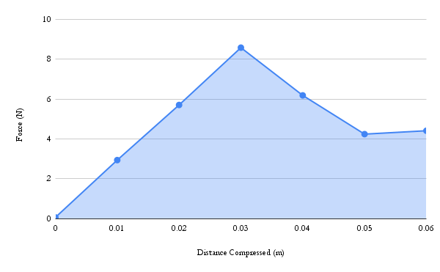
Distance Compressed (m) | Force (N)
0 | 0.071
0.01 | 2.94
0.02 | 5.7
0.03 | 8.57
0.04 | 6.18
0.05 | 4.24
0.06 | 4.41

Error Bar Graph
 | Average Kinetic Energy (KE) at Launch (J) | Average Gravitational Potential Energy (GPE) at Maximum Height (J)
Mean value | 0.06894 | 0.07922
Comparison of Mean Kinetic Energy at Launch and Mean Gravitational Potential Energy at Maximum Height

